GanttChartPro
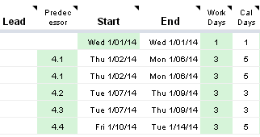
Gantt Chart Template Pro for Google Sheets

 | Gantt Chart Template Pro, by Vertex42.com, is a spreadsheet template designed originally for Microsoft Excel that offers more features than the free version. When you purchase it, you will also get a link to download the Pro version for Google Sheets!!

 | Learn More About Gantt Chart Template Pro

 | - Visit the web page above to view screenshots and watch demo videos

Features in the Pro version for Google Sheets

 | Define task durations by specifying the number of Work Days
 | - In this free version, the inputs to define a task are the Start Date and the Calendar Day duration. In the Pro version, the default option is to enter the Start Date and the number of Work Days.

 | Choose whether to define task durations using Calendar Days or Work Days or End Dates
 | - The Pro version includes a larger set of template rows that provide more options for defining the Start date, End date, duration, and dependency of tasks.

 | Exclude holidays from work days
 | - List holidays and other non-working days in a separate sheet. When defining task durations using Work Days, these dates will be excluded.

 | Define what you mean by "Weekend" when using Work Days
 | - The Pro version allows you to define exactly which day(s) of the week you want to use as your weekend. The default is Saturday and Sunday.

 | Color-Code bars in the Gantt chart
 | - The Pro version includes a column for entering a color code like "k", "r", or "y" to change the color of the bars in the Gantt chart. The Help worksheet explains some advanced formulas that you could use in the Color column to automatically color a bar based on the name in the Lead column.
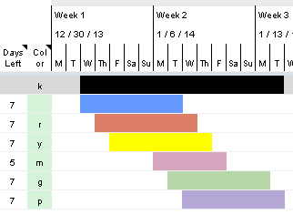

 | Define tasks dependences by specifying the predecessor WBS
 | - The template rows include an option for entering a Predecessor WBS. The Start date will be calculated as the day following the End date of the predecessor.

